Instructions
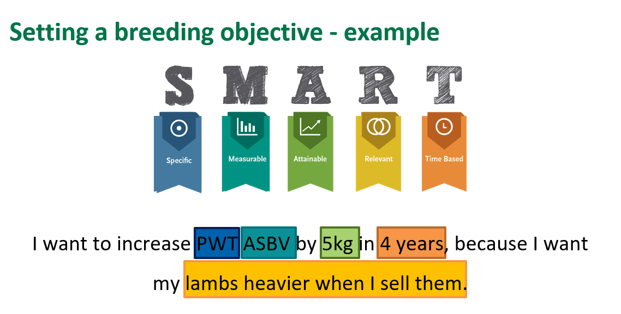
Instructions
Think about direct profit drivers (i.e., turn off weight, fleece weight and fibre diameter) and those things that create efficiency/productivity (i.e., weaning percentage, breech cover), think of challenges in your environment (i.e., high worm burden area, fleece rot)
For your stud's Breeding Objective - Under the "Traits of importance” tab, place a 1 in the relevant box for each of the trait groups, dependent on the desired direction of genetic gain. For example, if growth is in your breeding objective, and you would like to increase this trait in your flock, place an 1 in the increase column beside growth. For those trait groups which are not important to you, please tick the not important column. It is important for your Breeding Objective being mindful of the most suitable age stage for the productivity and profitabilitiy of your business and your clients business
For your client's Breeding Objective - Under the "Traits of importance” tab, for each client that you have surveyed, place a 1 in the relevant box for each of the trait groups, dependent on the desired direction of genetic gain. For example, if growth is in your breeding objective, and you would like to increase this trait in your flock, place an 1 in the increase column beside growth
Please feel free to add more traits that are relevant to your business in the OTHER section of the "Traits of importance tab"
In the "Breeding Objective" tab think about a few key traits of importance to your business (and your clients business) and use the SMART framework to set a Breeding Objective. We recommend you start simple, with a small number of traits and build this up over time.
Now that you have identified the traits of importance for your business, look at the "Align with an index" tab to see which inde is most suitable to your business. You can use the weblink or QR code to go to the Sheep Genetics website for further information about indexes
It is recommended to set your Breeding Objective for a few years, as genetic gain takes time. You should re-visit this Breeding Objective at least once a year (likely around sale or joining time) to see how you are progressing towards your goals

If adding rows or columns/editing the format of this excel document, please be mindful to ensure the formulas are correct after editing
Please contact Sheep Genetics if you have any questions about this template on (02) 8055 1818 or email via info@sheepgenetics.org.au

As always, ASBVs should be used in a balanced approach when making joining decisions along with structural and health factors – if an animal cannot walk, eat, or reproduce it isn’t going to be productive or profitable

BO graph
Stud's Breeding Objective | Client's Breeding Objective
 | Most important | Important | Less important | Not important
 | 0
WWT
PWT
YWT
HWT
MWWT
MBWT
 | 0
WEMD
PEMD
YEMD
HEMD
CEMD
WFAT
PFAT
YFAT
HFAT
CFAT
CCFAT
IMF
SHEARF5
LMY
DRESS
CWT
 | 0
PGFW
YGFW
HGFW
AGFW
PCFW
YCFW
HCFW
ACFW
PFD
YFD
HFD
AFD
PSL
YSL
HSL
ASL
PSS
YSS
HSS
ASS
PDCV
YDCV
HDCV
ADCV
PCUR
...
 | Most important | Important | Less important | Not Important
WWT
PWT
YWT
HWT
MWWT
MBWT
WEMD
PEMD
YEMD
HEMD
CEMD
WFAT
PFAT
YFAT
HFAT
CFAT
CCFAT
IMF
SHEARF5
LMY
DRESS
CWT
PGFW
YGFW
HGFW
AGFW
PCFW
YCFW
HCFW
ACFW
PFD
YFD
HFD
AFD
PSL
YSL
HSL
ASL
PSS
YSS
HSS
ASS
PDCV
YDCV
HDCV
ADCV
PCUR
...

Align with an index
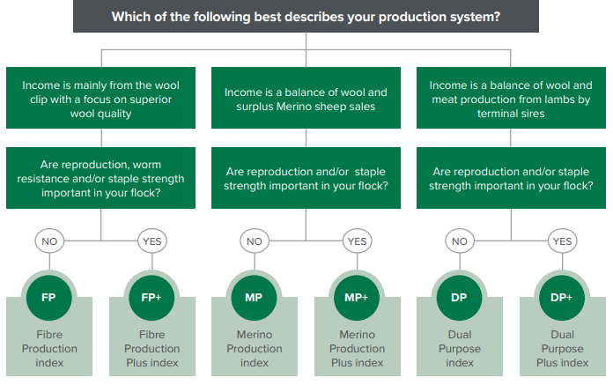
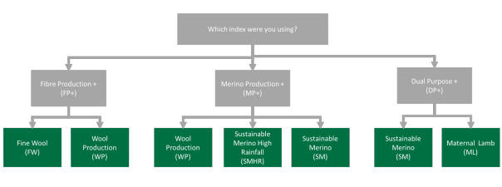
Terminal indexes | Maternal indexes
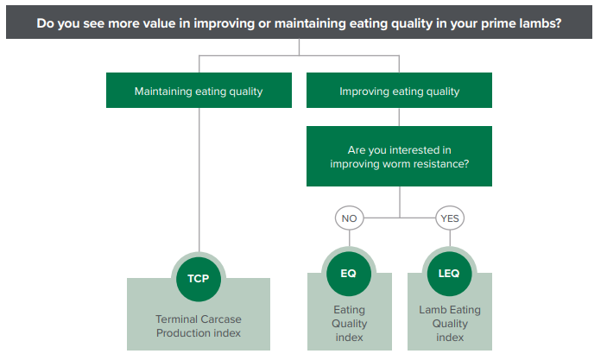
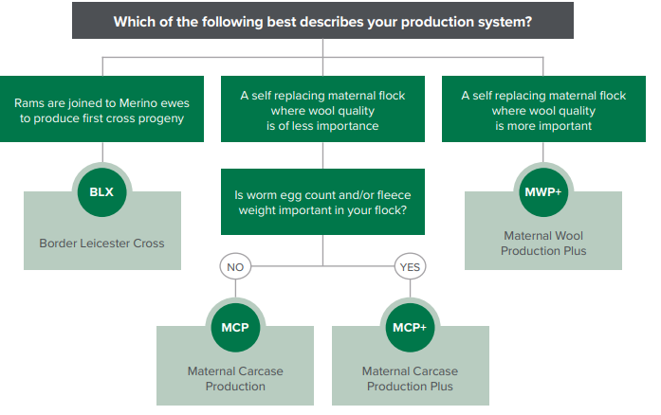

 |  | ** For further information around ASBVs and indexes, click the below link to the Sheep Genetics website - ASBVs and Indexes explained - Sheep Genetics

 |  | ASBVs and Indexes explained - Sheep Genetics


Merino indexes | New research Merino indexes

